Instructions
CHOC/New Starter Form

V4 -06/23 |  | Instructions
 |  | Select either the CHOC or New Starter Tab

Deadlines
CHOC's | These need to be received by the end of the 15th of the month for changes from 1st of the next month
New Starters | These need to be received 5 working days before the co-owner starts their contracted shifts. Default contracted shifts starting on of before the 15th of the month will be paid the same month, if the default contracted shifts start after the 15th of the month, they will be paid the following month. Please also remember that any shadow shifts or additional hours are paid the following month. | Complete all fields highlighted red.

 |  | Update the shift patterns

Notes
One form is to be used per Co-Owner
CHOC's need to start on the 1st of the month. The Rota Team can help support with swaps/additional hours/leave if required
Fields are either free text or drop down list or tick boxes
If the shift finishes after midnight, please use the end of the drop down box instead of the beginning otherwise the form will not calculate the correct Paid hours.
Help?
If you need any help or support with this form please contact the Rota Team - brisdoc.rotateam@nhs.net
 | Cells with a red arrow in the top right have information to help fill in
 |  | Anything grey is not editable.

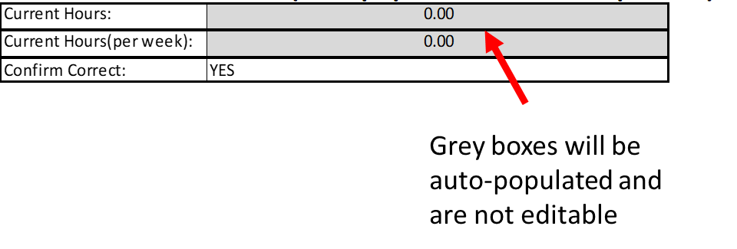

 |  | Return this form to brisdoc.rotateam@nhs.net

